HOME PAGE
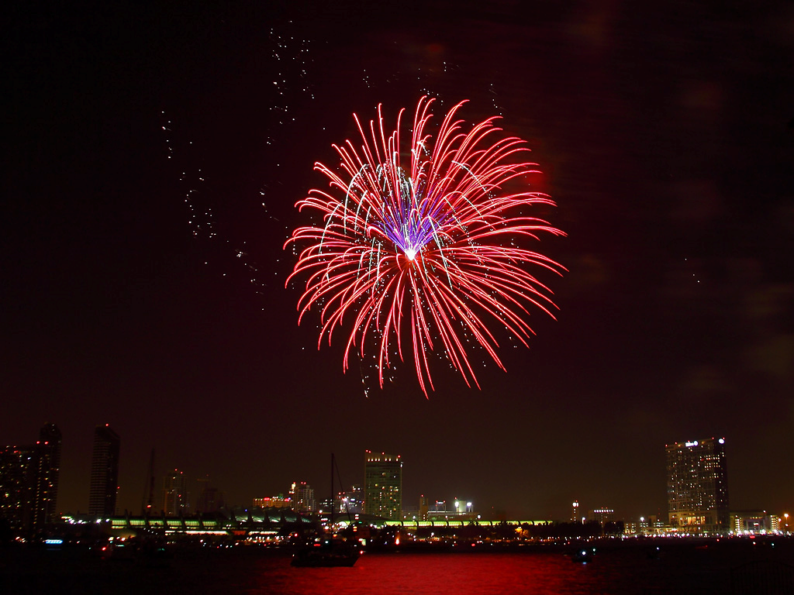

PROJECT HOME

DASHBOARD

PLACES

PLAYERS

Dashboard
BACK
DASHBOARD OF SUMMER OLYMPICS STATISTICS(1976-2008)

TOTAL MEDALS
 | Total
Aquatics | 3
Athletics | 14
Basketball | 24
Boxing | 11
Canoe / Kayak | 26
Equestrian | 5
Gymnastics | 22
Judo | 3
Rowing | 34
Shooting | 15
Tennis | 1
Volleyball | 24
Weightlifting | 30
Wrestling | 35
Gender wise participation
 | Total
Men | 134
Women | 113
YEAR WISE MEDALS
 | Bronze | Gold | Silver
1988 | 17 | 10 | 14
1992 | 7 | 3 | 7
2000 | 2 | 5 | 6
2004 | 14 | 2 | 1
NO OF ATHLETE
 | Total
Athens | 1998
Atlanta | 1859
Barcelona | 1705
Beijing | 2042
Los Angeles | 1459
Montreal | 1305
Moscow | 1387
Seoul | 1546
Sydney | 2015

COUNTRY WISE MEDALS
 | Bronze | Gold | Silver
MAR | 10 | 6 | 4
AFG | 1
AHO |  |  | 1
ALG | 8 | 4 | 2
ARG | 70 | 46 | 37
ARM | 7 | 1 | 1
AUS | 312 | 216 | 270
AUT | 8 | 9 | 17
AZE | 9 | 4 | 3
BAH | 3 | 7 | 9
BAR | 1
BDI |  | 1
BEL | 20 | 6 | 15
BER | 1
BLR | 53 | 14 | 25
BRA | 125 | 56 | 137
BUL | 107 | 40 | 100
CAN | 117 | 76 | 111
CHI | 19 | 3 | 2
CHN | 193 | 234 | 252
CIV |  |  | 1
CMR | 1 | 20
COL | 5 | 1 | 2
CRC | 2 | 1 | 1
CRO | 18 | 31 | 30
CUB | 88 | 152 | 109
CZE | 13 | 10 | 18
DEN | 50 | 78 | 20
DJI | 1
DOM | 1 | 2 | 1
ECU |  | 1 | 1
EGY | 4 | 1 | 2
ERI | 1
ESP | 76 | 87 | 165
EST | 6 | 3 | 3
ETH | 12 | 15 | 5
EUN | 66 | 92 | 65
FIN | 19 | 18 | 17
FRA | 185 | 154 | 110
FRG | 126 | 84 | 135
GBR | 188 | 122 | 157
GDR | 150 | 286 | 190
GEO | 11 | 5 | 2
GER | 278 | 237 | 176
GHA | 13
GRE | 23 | 19 | 32
GUY | 1
HKG |  | 1 | 2
HUN | 135 | 129 | 104
INA | 12 | 9 | 14
...
athlete from each city
 | Total
Athens | 17
Atlanta | 21
Barcelona | 17
Beijing | 5
Montreal | 39
Moscow | 94
Seoul | 41
Sydney | 13

YEAR WISE
Count of Medal | Column Labels
Row Labels | Bronze | Gold | Silver | Grand Total
1988 | 17 | 10 | 14 | 41
1992 | 7 | 3 | 7 | 17
2000 | 2 | 5 | 6 | 13
2004 | 14 | 2 | 1 | 17
Grand Total | 40 | 20 | 28 | 88

SPORT WISE
TOTAL NO OF MEDALS
Medal | (All)

Row Labels | Count of Medal
Aquatics | 3
Athletics | 14
Basketball | 24
Boxing | 11
Canoe / Kayak | 26
Equestrian | 5
Gymnastics | 22
Judo | 3
Rowing | 34
Shooting | 15
Tennis | 1
Volleyball | 24
Weightlifting | 30
Wrestling | 35
Grand Total | 247

GENDER WISE PARTICIPATION
Row Labels | Count of Name
Men | 134
Women | 113
Grand Total | 247

COUNTRY WISE
 | Bronze | Gold | Silver
MAR | 10 | 6 | 4
AFG | 1
AHO |  |  | 1
ALG | 8 | 4 | 2
ARG | 70 | 46 | 37
ARM | 7 | 1 | 1
AUS | 312 | 216 | 270
AUT | 8 | 9 | 17
AZE | 9 | 4 | 3
BAH | 3 | 7 | 9
BAR | 1
BDI |  | 1
BEL | 20 | 6 | 15
BER | 1
BLR | 53 | 14 | 25
BRA | 125 | 56 | 137
BUL | 107 | 40 | 100
CAN | 117 | 76 | 111
CHI | 19 | 3 | 2
CHN | 193 | 234 | 252
CIV |  |  | 1
CMR | 1 | 20
COL | 5 | 1 | 2
CRC | 2 | 1 | 1
CRO | 18 | 31 | 30
CUB | 88 | 152 | 109
CZE | 13 | 10 | 18
DEN | 50 | 78 | 20
DJI | 1
DOM | 1 | 2 | 1
ECU |  | 1 | 1
EGY | 4 | 1 | 2
ERI | 1
ESP | 76 | 87 | 165
EST | 6 | 3 | 3
ETH | 12 | 15 | 5
EUN | 66 | 92 | 65
FIN | 19 | 18 | 17
FRA | 185 | 154 | 110
FRG | 126 | 84 | 135
GBR | 188 | 122 | 157
GDR | 150 | 286 | 190
GEO | 11 | 5 | 2
GER | 278 | 237 | 176
GHA | 13
GRE | 23 | 19 | 32
GUY | 1
HKG |  | 1 | 2
HUN | 135 | 129 | 104
INA | 12 | 9 | 14
...
Country | (All)

Count of Medal | Column Labels
COUNTRY CODE | Bronze | Gold | Silver | Grand Total
MAR | 10 | 6 | 4 | 20
AFG | 1 |  |  | 1
AHO |  |  | 1 | 1
ALG | 8 | 4 | 2 | 14
ARG | 70 | 46 | 37 | 153
ARM | 7 | 1 | 1 | 9
AUS | 312 | 216 | 270 | 798
AUT | 8 | 9 | 17 | 34
AZE | 9 | 4 | 3 | 16
BAH | 3 | 7 | 9 | 19
BAR | 1 |  |  | 1
BDI |  | 1 |  | 1
BEL | 20 | 6 | 15 | 41
BER | 1 |  |  | 1
BLR | 53 | 14 | 25 | 92
BRA | 125 | 56 | 137 | 318
BUL | 107 | 40 | 100 | 247
CAN | 117 | 76 | 111 | 304
CHI | 19 | 3 | 2 | 24
CHN | 193 | 234 | 252 | 679
CIV |  |  | 1 | 1
CMR | 1 | 20 |  | 21
COL | 5 | 1 | 2 | 8
CRC | 2 | 1 | 1 | 4
CRO | 18 | 31 | 30 | 79
CUB | 88 | 152 | 109 | 349
CZE | 13 | 10 | 18 | 41
DEN | 50 | 78 | 20 | 148
DJI | 1 |  |  | 1
DOM | 1 | 2 | 1 | 4
ECU |  | 1 | 1 | 2
EGY | 4 | 1 | 2 | 7
ERI | 1 |  |  | 1
ESP | 76 | 87 | 165 | 328
EST | 6 | 3 | 3 | 12
ETH | 12 | 15 | 5 | 32
EUN | 66 | 92 | 65 | 223
FIN | 19 | 18 | 17 | 54
FRA | 185 | 154 | 110 | 449
FRG | 126 | 84 | 135 | 345
GBR | 188 | 122 | 157 | 467
GDR | 150 | 286 | 190 | 626
GEO | 11 | 5 | 2 | 18
GER | 278 | 237 | 176 | 691
GHA | 13 |  |  | 13
GRE | 23 | 19 | 32 | 74
GUY | 1 |  |  | 1
HKG |  | 1 | 2 | 3
HUN | 135 | 129 | 104 | 368
INA | 12 | 9 | 14 | 35
IND | 4 | 17 | 1 | 22
IOP | 2 |  | 1 | 3
IRI | 8 | 7 | 6 | 21
IRL | 4 | 4 | 6 | 14
ISL | 2 |  | 14 | 16
ISR | 5 | 1 | 1 | 7
ISV |  |  | 1 | 1
ITA | 178 | 145 | 163 | 486
JAM | 38 | 17 | 34 | 89
JPN | 182 | 94 | 112 | 388
KAZ | 14 | 9 | 16 | 39
KEN | 17 | 18 | 21 | 56
KGZ | 2 |  | 1 | 3
KOR | 128 | 140 | 186 | 454
KSA | 1 |  | 1 | 2
KUW | 1 |  |  | 1
LAT | 3 | 2 | 9 | 14
LIB | 1 |  |  | 1
LTU | 42 | 4 | 4 | 50
MAS | 3 |  | 3 | 6
MDA | 3 |  | 3 | 6
MEX | 22 | 6 | 10 | 38
MGL | 7 | 2 | 5 | 14
MKD | 1 |  |  | 1
MOZ | 1 | 1 |  | 2
MRI | 1 |  |  | 1
NAM |  |  | 4 | 4
NED | 151 | 137 | 140 | 428
NGR | 25 | 19 | 38 | 82
NOR | 46 | 50 | 58 | 154
NZL | 51 | 50 | 21 | 122
PAK | 33 | 16 |  | 49
PAN |  | 1 |  | 1
PAR |  |  | 17 | 17
PER |  |  | 14 | 14
PHI | 2 |  | 1 | 3
POL | 98 | 52 | 113 | 263
POR | 7 | 4 | 5 | 16
PRK | 17 | 9 | 11 | 37
PUR | 4 |  | 1 | 5
QAT | 2 |  |  | 2
ROU | 190 | 135 | 157 | 482
RSA | 7 | 7 | 10 | 24
RUS | 240 | 192 | 206 | 638
SCG |  |  | 14 | 14
SEN |  |  | 1 | 1
SIN |  |  | 3 | 3
SLO | 11 | 4 | 6 | 21
SRB | 14 |  | 1 | 15
SRI |  |  | 1 | 1
SUD |  |  | 1 | 1
SUI | 28 | 14 | 37 | 79
SUR | 1 | 1 |  | 2
SVK | 8 | 10 | 11 | 29
SWE | 55 | 28 | 110 | 193
SYR | 1 | 1 | 1 | 3
TAN |  |  | 2 | 2
TCH | 29 | 27 | 29 | 85
TGA |  |  | 1 | 1
THA | 10 | 7 | 4 | 21
TJK | 1 |  | 1 | 2
TOG | 1 |  |  | 1
TPE | 12 | 2 | 26 | 40
TRI | 4 | 1 | 6 | 11
TUN | 1 | 1 |  | 2
TUR | 15 | 14 | 11 | 40
UAE |  | 1 |  | 1
UGA | 1 |  | 1 | 2
UKR | 78 | 32 | 38 | 148
URS | 297 | 439 | 285 | 1021
URU |  |  | 1 | 1
USA | 481 | 928 | 583 | 1992
UZB | 8 | 4 | 5 | 17
VEN | 6 |  | 2 | 8
VIE |  |  | 2 | 2
YUG | 102 | 90 | 86 | 278
ZAM | 1 |  | 1 | 2
ZIM | 1 | 18 | 4 | 23
Grand Total | 5258 | 5042 | 5016 | 15316

CITY WISE
Country | Bulgaria
ATHLETE FROM EACH CITY
Row Labels | Count of Name
Athens | 17
Atlanta | 21
Barcelona | 17
Beijing | 5
Montreal | 39
Moscow | 94
Seoul | 41
Sydney | 13
Grand Total | 247

PLACES CONDUCTED
BACK
YEAR | CITY
1976 | Montreal
1980 | Moscow
1984 | Los Angeles
1988 | Seoul
1992 | Barcelona
1996 | Atlanta
2000 | Sydney
2004 | Athens
2008 | Beijing

PLAYERS
BACK
Country | (All)

NO OF ATHLETE
Row Labels | Count of Name
Athens | 1998
Atlanta | 1859
Barcelona | 1705
Beijing | 2042
Los Angeles | 1459
Montreal | 1305
Moscow | 1387
Seoul | 1546
Sydney | 2015
Grand Total | 15316

